SOLUTION SHEET CHART LIST
LINE CHARTS | PIE CHART

Revenue 1
 | Revenue
9/3/2006 | 1332
9/4/2006 | 1165
9/5/2006 | 1268
9/6/2006 | 1316
9/7/2006 | 1088
9/8/2006 | 1255
9/9/2006 | 1033
9/10/2006 | 1384
9/11/2006 | 1048
9/12/2006 | 1127
9/13/2006 | 1266
9/14/2006 | 1147
9/15/2006 | 1225
9/16/2006 | 1101
9/17/2006 | 1266
9/18/2006 | 1296
9/19/2006 | 1059
9/20/2006 | 1367
9/21/2006 | 1344
9/22/2006 | 1234
9/23/2006 | 1314
9/24/2006 | 1263
9/25/2006 | 1317
9/26/2006 | 1264
9/27/2006 | 1115
9/28/2006 | 1304
9/29/2006 | 1220
9/30/2006 | 1225
10/1/2006 | 1105
 | QTY
Washing Machine | 331
Laptop | 1821
Mobile Phone | 4291
Pen | 10230
Speakers | 1283
Bulb | 15972

 | Revenue 2
7/14/2005 | ₹ 138,576
7/15/2005 | ₹ 121,831
7/16/2005 | ₹ 123,963
7/17/2005 | ₹ 116,021
7/18/2005 | ₹ 134,565
7/19/2005 | ₹ 126,362
7/20/2005 | ₹ 128,405
7/21/2005 | ₹ 105,143
7/22/2005 | ₹ 123,349
7/23/2005 | ₹ 104,705
7/24/2005 | ₹ 110,691
7/25/2005 | ₹ 119,971
7/26/2005 | ₹ 101,178
7/27/2005 | ₹ 102,175
7/28/2005 | ₹ 133,281
7/29/2005 | ₹ 128,002
7/30/2005 | ₹ 139,623
7/31/2005 | ₹ 123,532
8/1/2005 | ₹ 113,162
8/2/2005 | ₹ 139,893
8/3/2005 | ₹ 106,341
8/4/2005 | ₹ 113,834
8/5/2005 | ₹ 125,406
8/6/2005 | ₹ 102,855
8/7/2005 | ₹ 119,915
8/8/2005 | ₹ 119,062
8/9/2005 | ₹ 111,354
8/10/2005 | ₹ 126,884
8/11/2005 | ₹ 130,659
 | Revenue
Washing Machine | 6620000
Laptop | 54630000
Mobile Phone | 42910000
Pen | 102300
Speakers | 4490500
Bulb | 3194400

SOLUTION SHEET OF COMBO CHART
Revenue And QTY
 | Revenue 4 | Qty
6/11/2005 | 1303419 | 123
6/12/2005 | 1368177 | 284
6/13/2005 | 1123413 | 172
6/14/2005 | 1291591 | 145
6/15/2005 | 1083560 | 138
6/16/2005 | 1121314 | 234
6/17/2005 | 1186701 | 287
6/18/2005 | 1098871 | 210
6/19/2005 | 1092795 | 154
6/20/2005 | 1216522 | 101
6/21/2005 | 1027508 | 105
6/22/2005 | 1263669 | 290
6/23/2005 | 1278680 | 213
6/24/2005 | 1352527 | 143
6/25/2005 | 1162771 | 257
6/26/2005 | 1173180 | 192
6/27/2005 | 1163031 | 196
6/28/2005 | 1222184 | 199
6/29/2005 | 1379700 | 219
6/30/2005 | 1260224 | 276
7/1/2005 | 1220900 | 159
7/2/2005 | 1027203 | 203
7/3/2005 | 1311714 | 138
7/4/2005 | 1076684 | 206
7/5/2005 | 1035058 | 124
7/6/2005 | 1147605 | 217
7/7/2005 | 1091289 | 167
7/8/2005 | 1104225 | 299
7/9/2005 | 1013751 | 254

Chart List
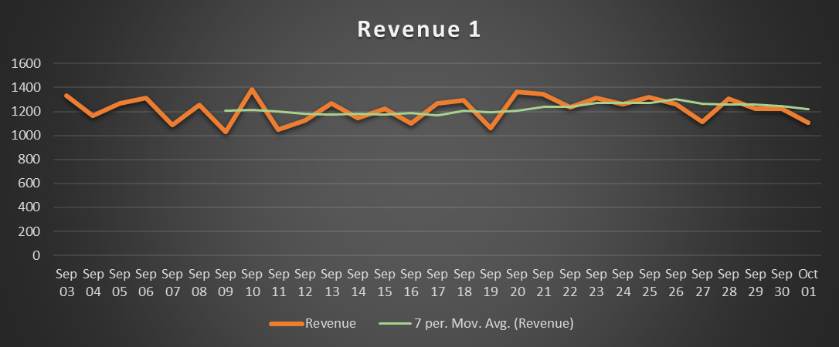
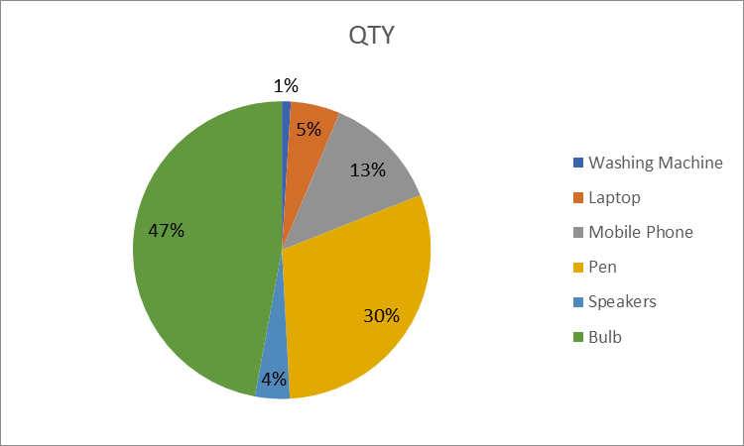
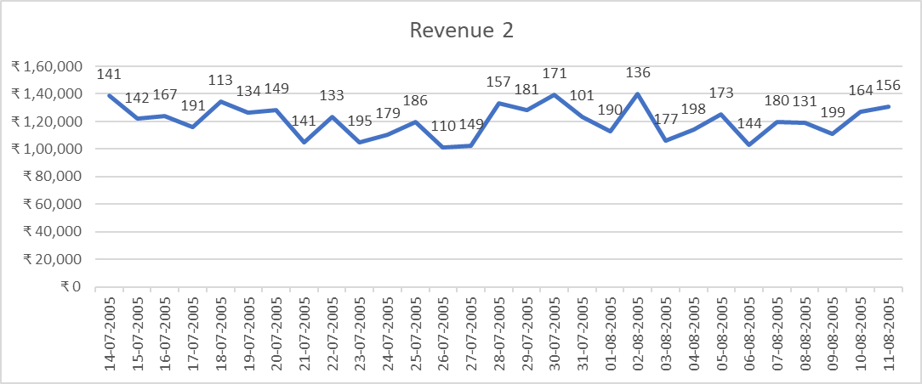
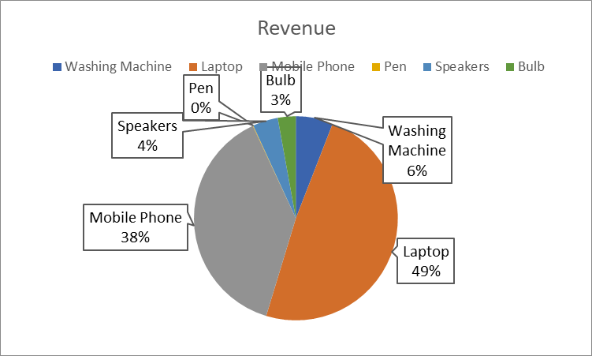
Line charts | Pie Charts

Combo Chart Sheet
Revenue and QTY
 | Revenue 4 | Qty
6/11/2005 | 1303419 | 123
6/12/2005 | 1368177 | 284
6/13/2005 | 1123413 | 172
6/14/2005 | 1291591 | 145
6/15/2005 | 1083560 | 138
6/16/2005 | 1121314 | 234
6/17/2005 | 1186701 | 287
6/18/2005 | 1098871 | 210
6/19/2005 | 1092795 | 154
6/20/2005 | 1216522 | 101
6/21/2005 | 1027508 | 105
6/22/2005 | 1263669 | 290
6/23/2005 | 1278680 | 213
6/24/2005 | 1352527 | 143
6/25/2005 | 1162771 | 257
6/26/2005 | 1173180 | 192
6/27/2005 | 1163031 | 196
6/28/2005 | 1222184 | 199
6/29/2005 | 1379700 | 219
6/30/2005 | 1260224 | 276
7/1/2005 | 1220900 | 159
7/2/2005 | 1027203 | 203
7/3/2005 | 1311714 | 138
7/4/2005 | 1076684 | 206
7/5/2005 | 1035058 | 124
7/6/2005 | 1147605 | 217
7/7/2005 | 1091289 | 167
7/8/2005 | 1104225 | 299
7/9/2005 | 1013751 | 254

